Schematic
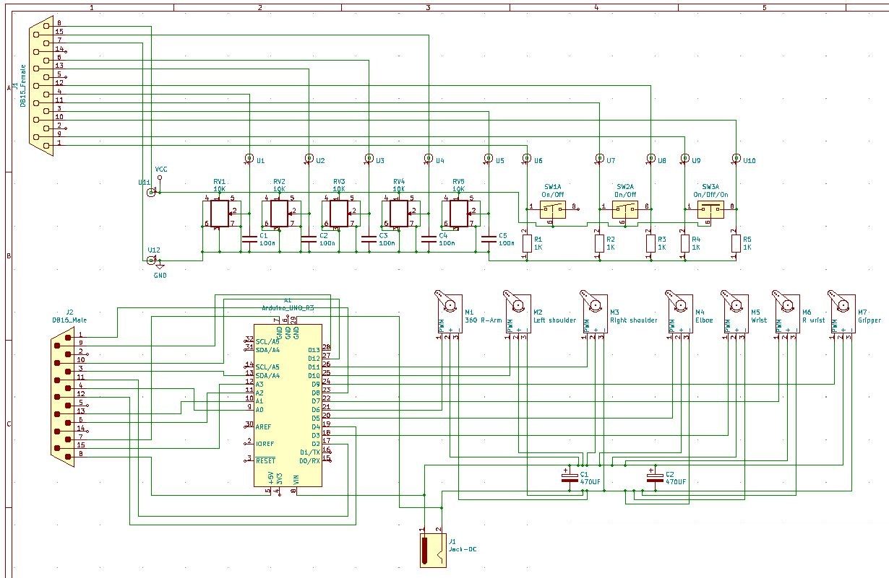

Step 1
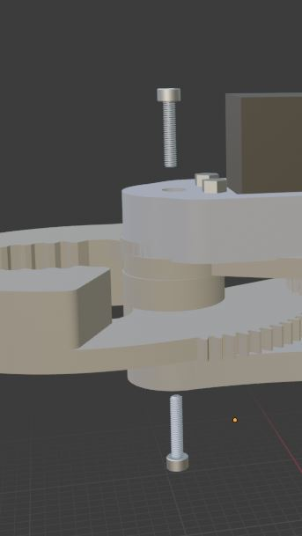
M3 nut | 4
M3x16mm | 4
Servo 20Kg | 1
Wrist_servo_mount | 1
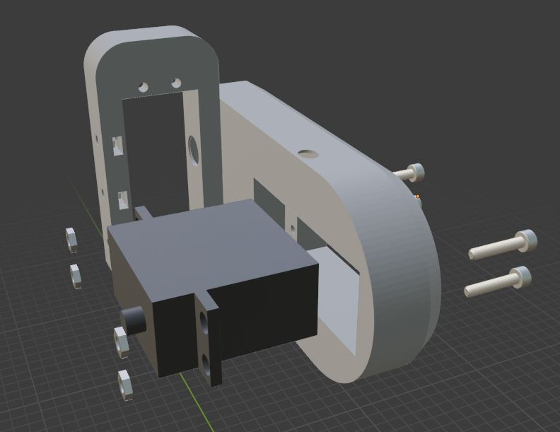

M3 nut | 4
M3 x 10mm | 4
Servo 20 Kg | 1
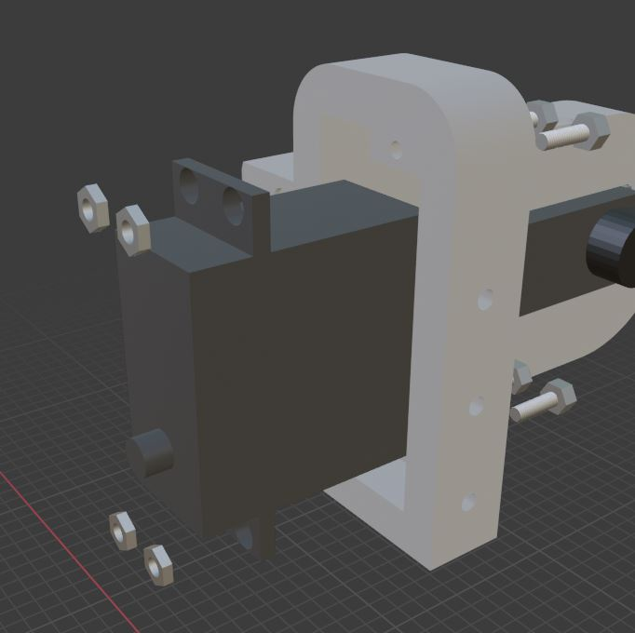

M3 x 8mm | 5
Old futuba servo horn | 1
Gripper_Cover_plate | 1
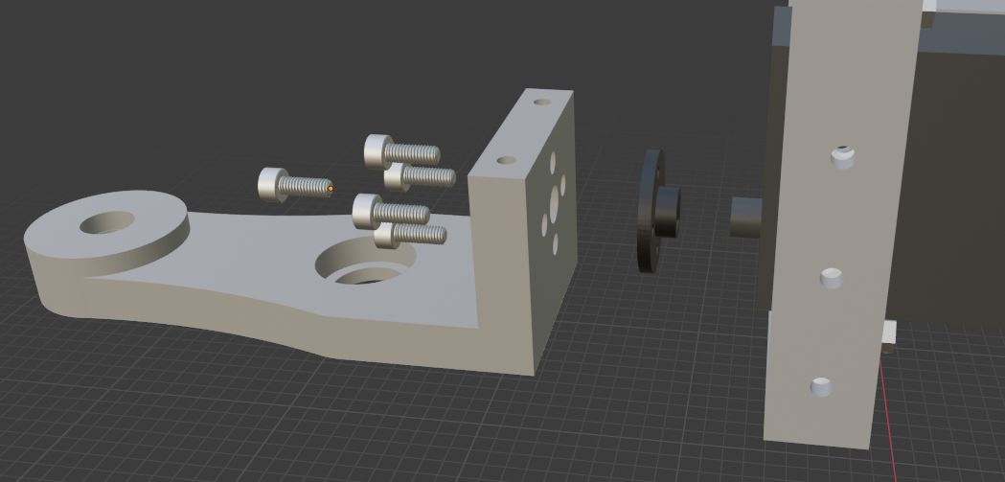

Bearing 628 | 2
Gripper_bottom_Bearing | 1
Gripper_Bearing_Guide | 1
Gripper_72T | 1
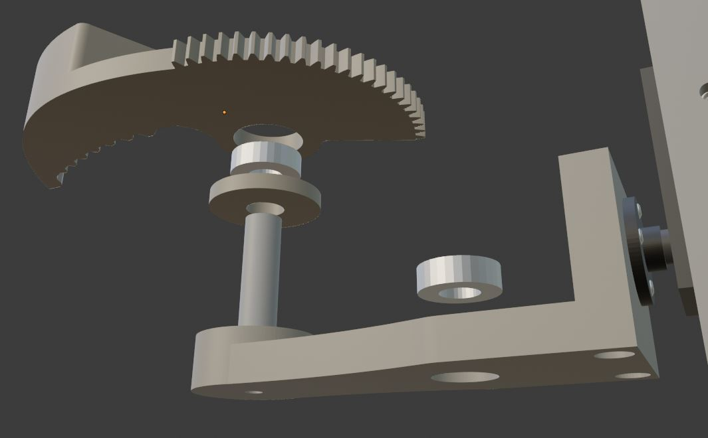

Bearing 628 | 1
Gripper_Center_Bearing | 1
Gripper_top_Bearing | 1
Gripper_120T | 1
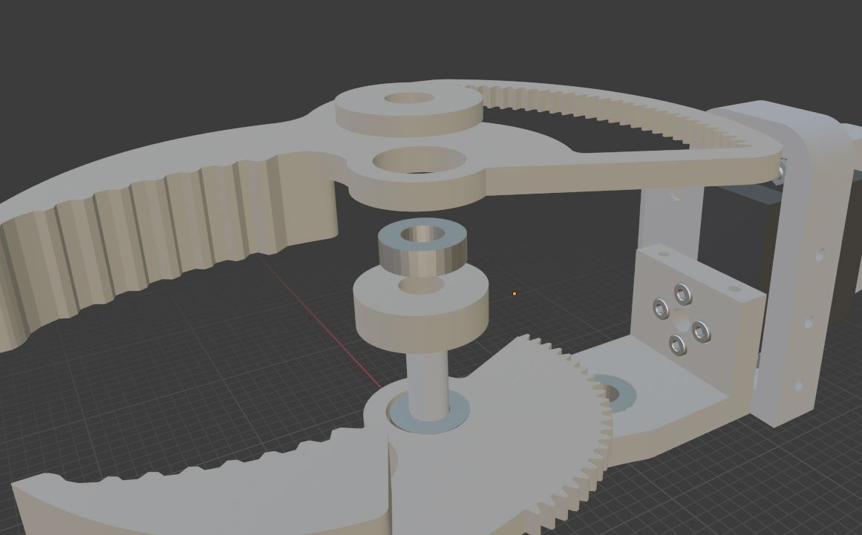

M3 nut | 4
M3 x 10mm | 4
Gripper_Servo_mount | 1
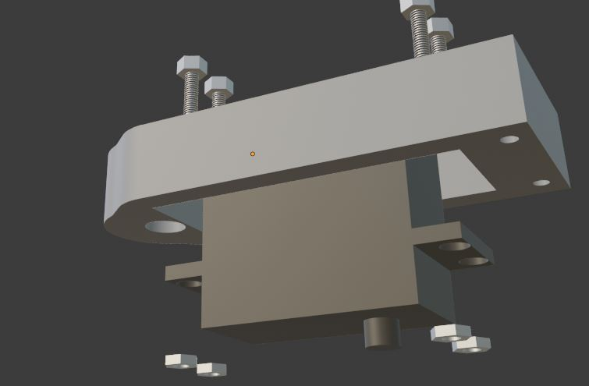

M3 x 10mm | 1
Gripper_Servo_gear | 1
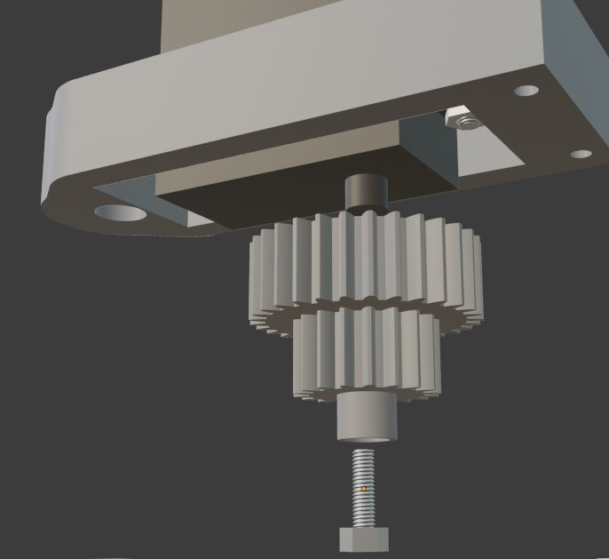

M3 nut | 2
M3 x 30mm | 2
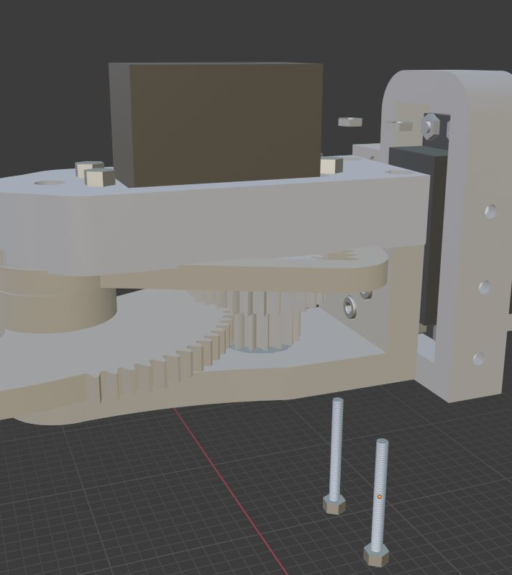

M3 x 16mm | 2

Step 2
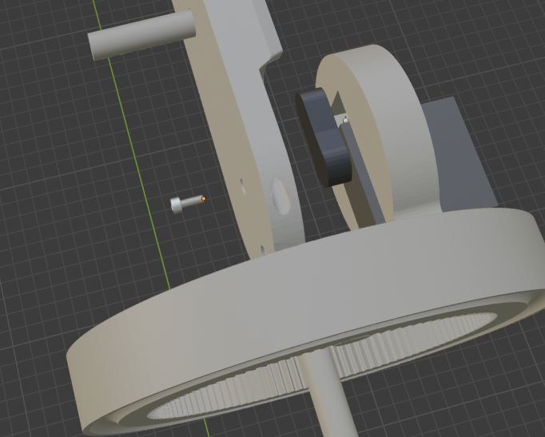
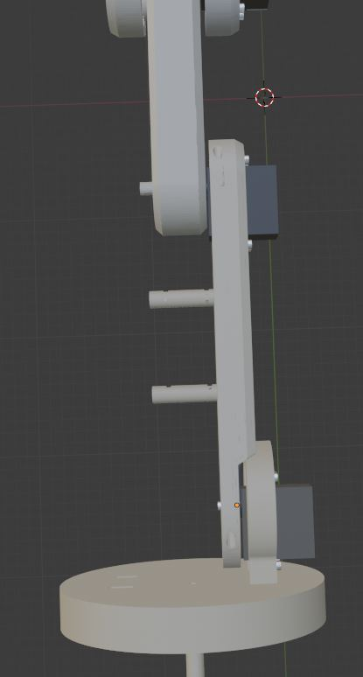
M3 nut | 3
Wrist_servo_mount | 1
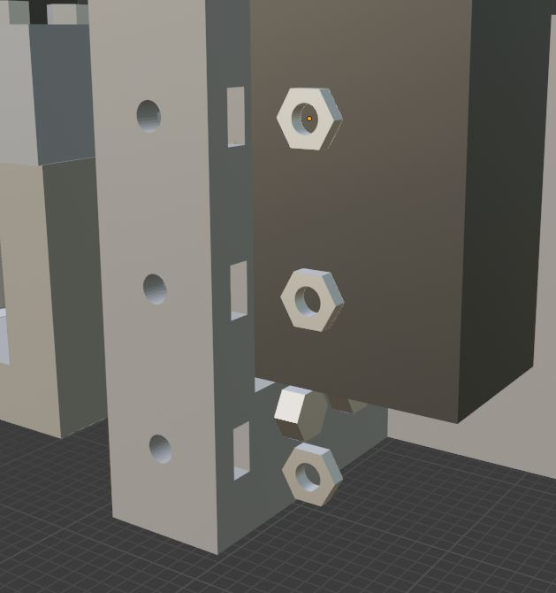

M3 nut | 2
Wrist_Bearing_Holder_1 | 1
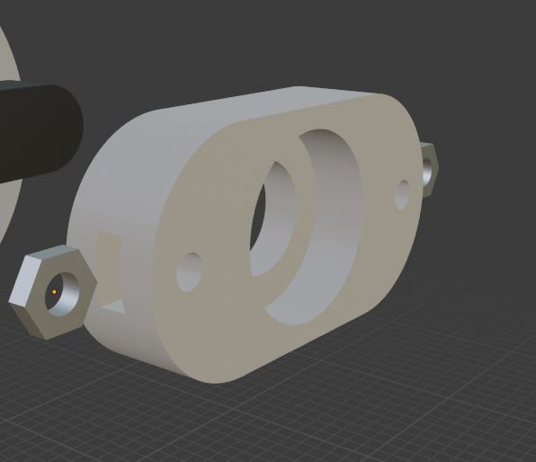

Figure above | 1
Bearing 628 | 1
M3 x 20mm | 2
Wrist_bearing_guide_clamp | 1
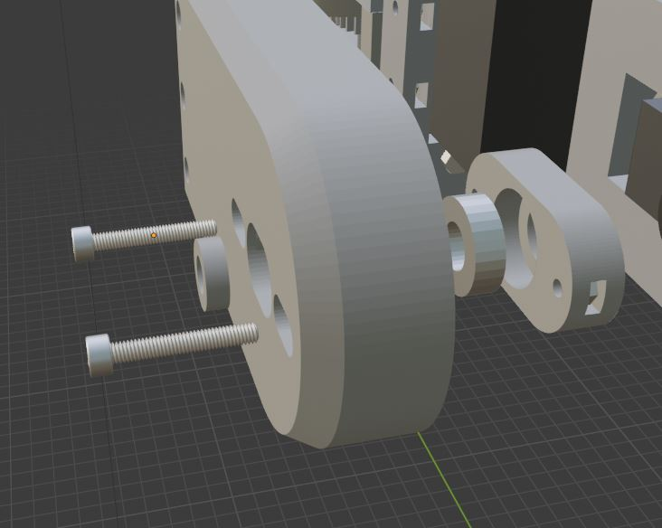

Servo horn | 1
Figure above | 1
Center_arm | 1
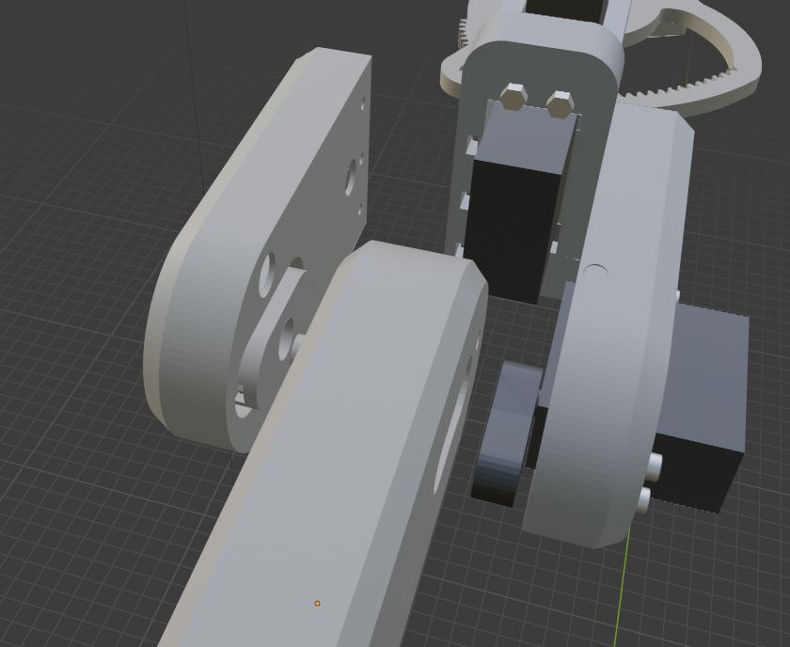

M3 x 10 | 3
M3 x 40 | 1
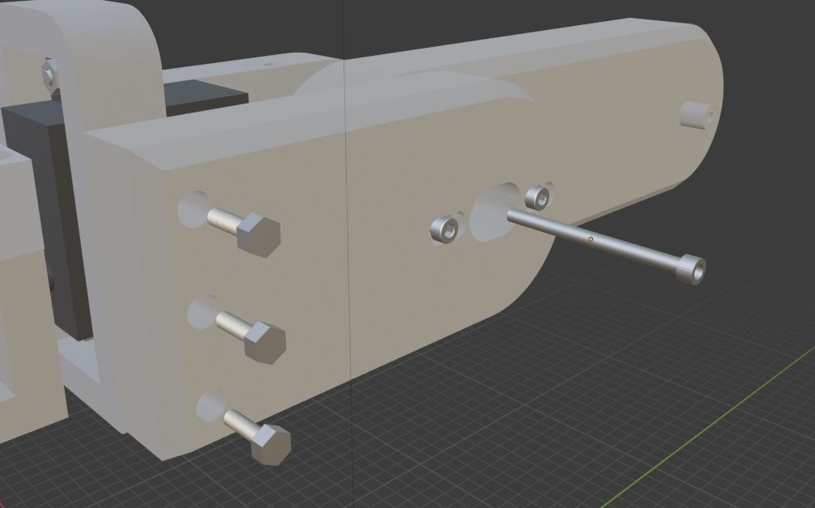

Servo 35Kg | 1
Servo horn | 1
M3 x 16mm | 4
M3 nut | 4
Lower_arm_left | 1
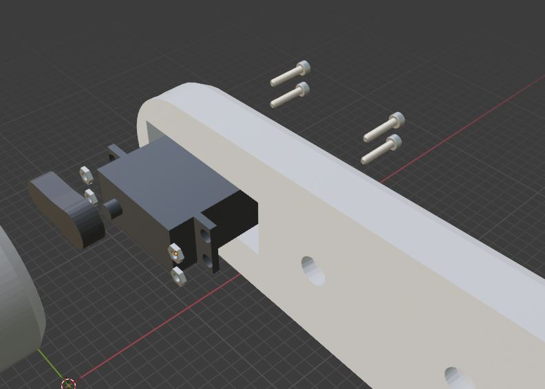

M3 nut | 4
Lower_arm_bushing_1 | 1
Lower_arm_bushing_2 | 1
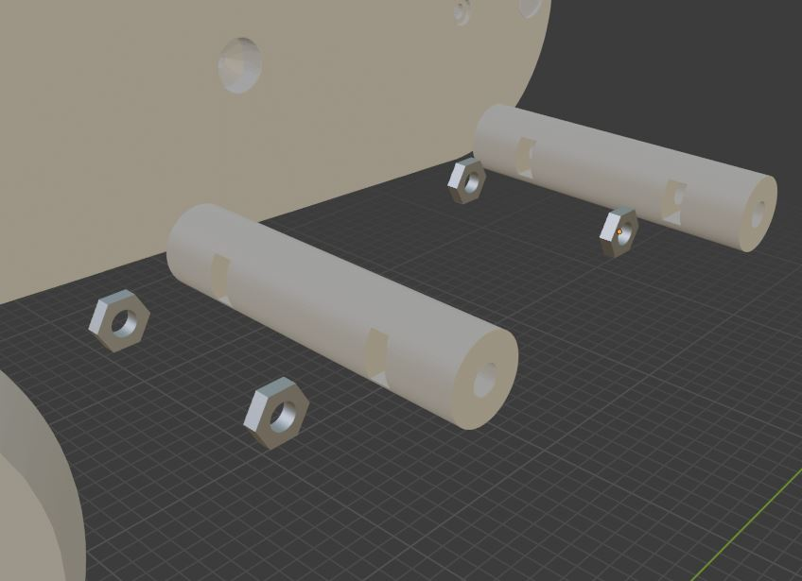

M3 x 16mm | 2
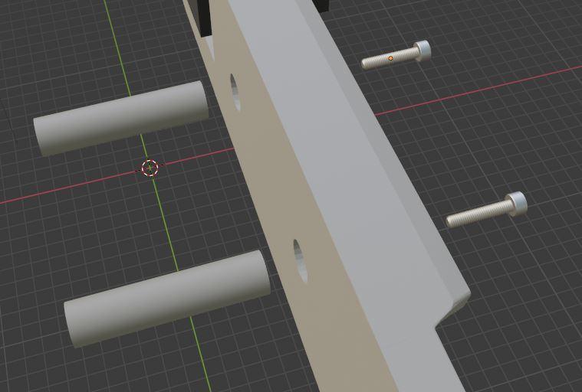

Servo 35 Kg | 1
M3 x 12mm | 4
M3 nut | 4
Base_Rotating_plate | 1
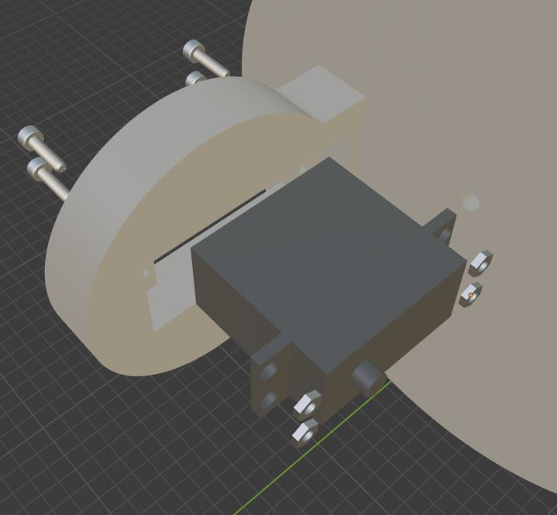

Servo horn | 1
M3 x 8mm | 1

Step 3
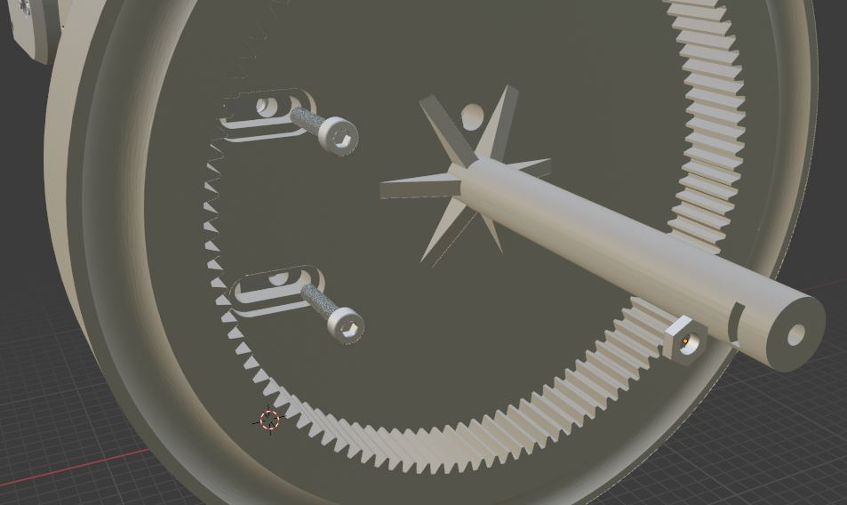
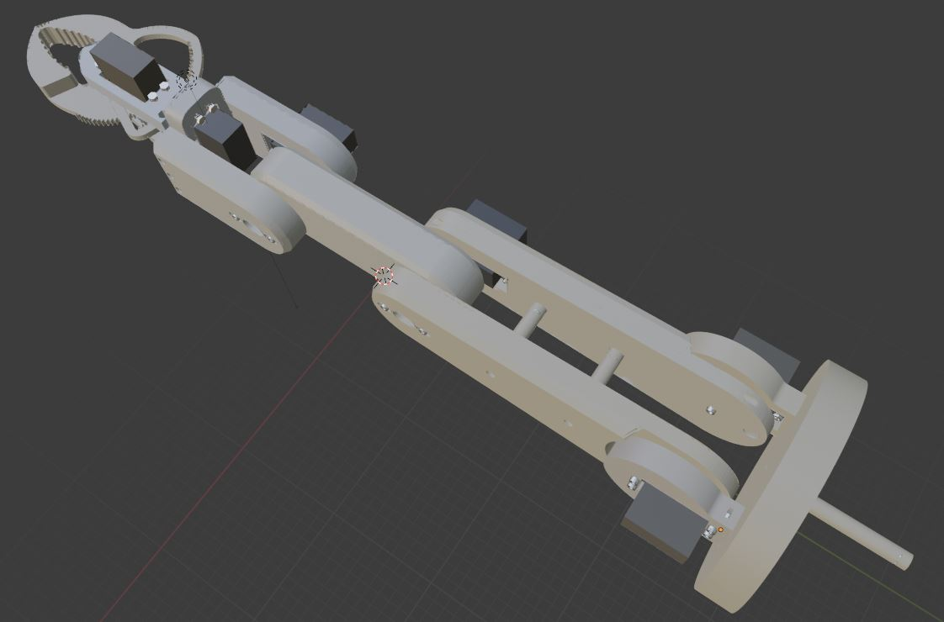
M3 x 12 mm | 4
M3 nut | 6
Servo 35 Kg | 1
Servo Horn | 1
Base_Servo_Mount | 1
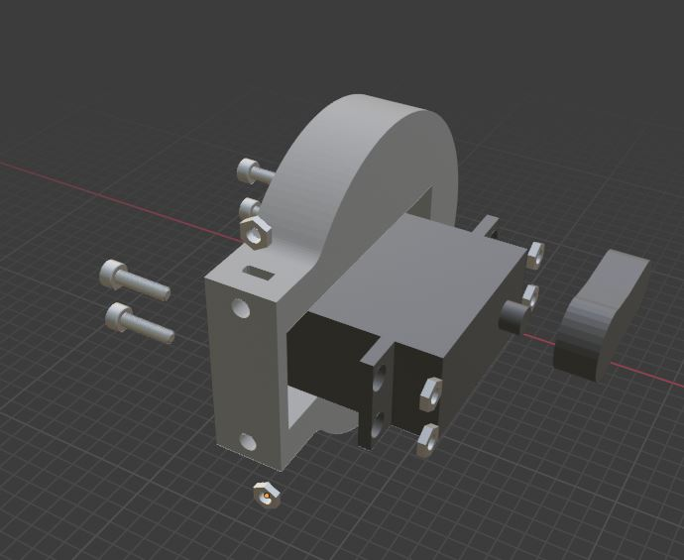

Bearing 628 | 1
M3 nut | 2
Lower_Arm_Bearing_Holder | 1
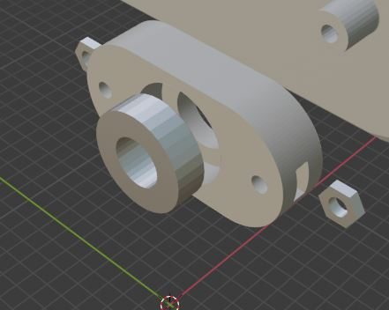

M3 x 16mm | 2
Lower_arm_right | 1
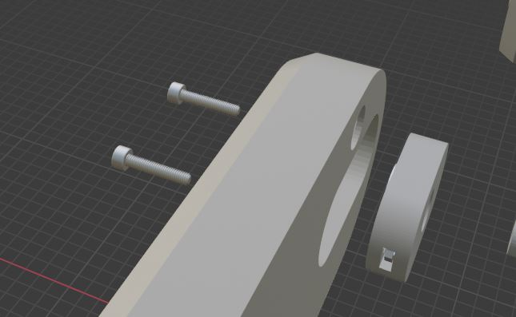

M3 x 40mm | 1
M3 x 16mm | 2
Lower_arm_bearing_guide_clamp | 1
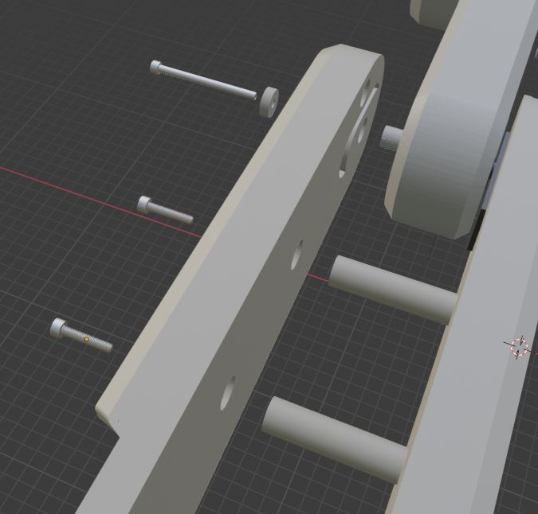

M3 x 8mm | 1
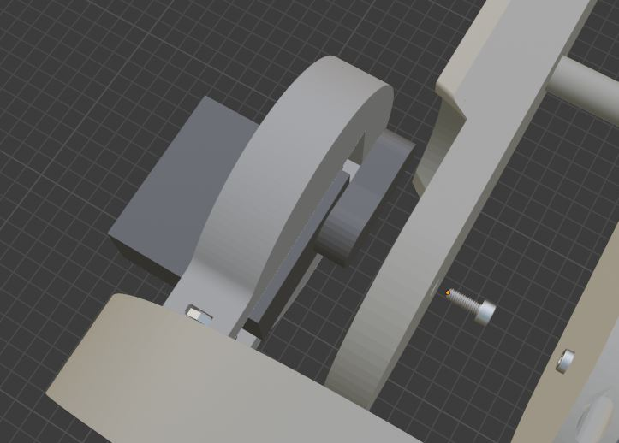

M3 x 16mm | 2
M3 nut | 1

Step 4
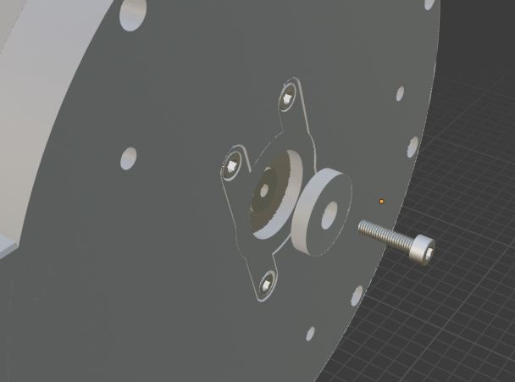
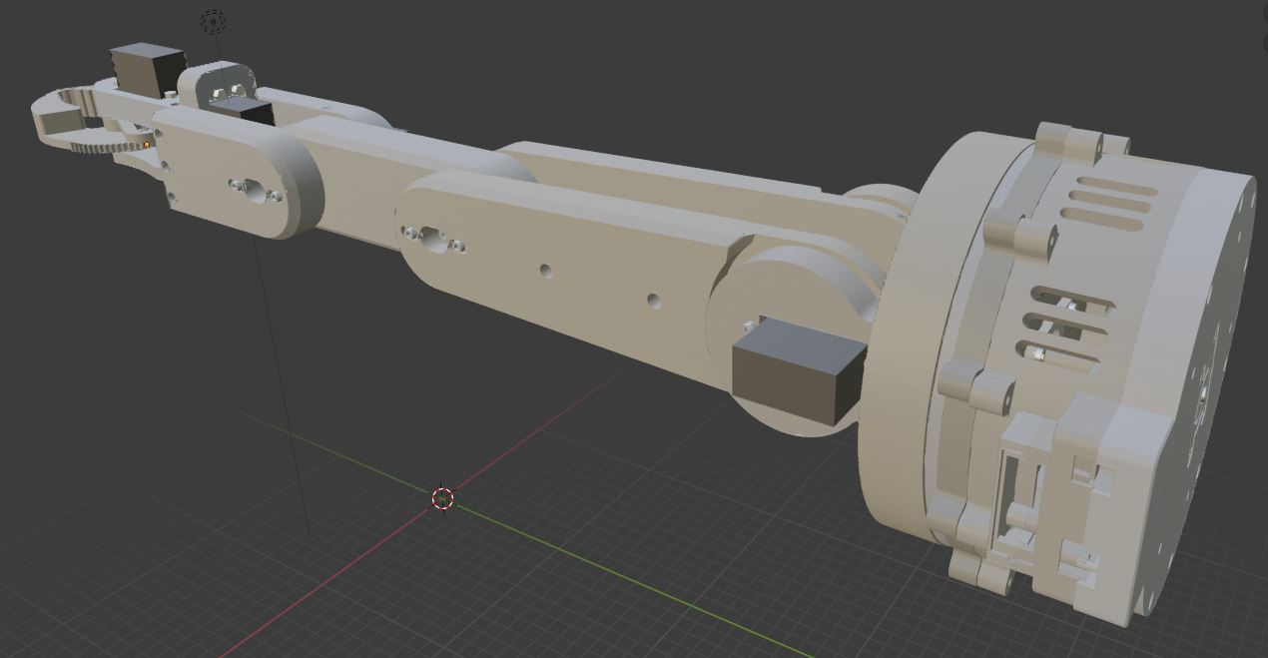
Servo 360 | 1
M3 x 16mm | 4
M3 x 8mm | 4
M3 nut | 4
bearing 6200 | 1
Base_Bearing_clamp_1 | 1
Base_Top | 1
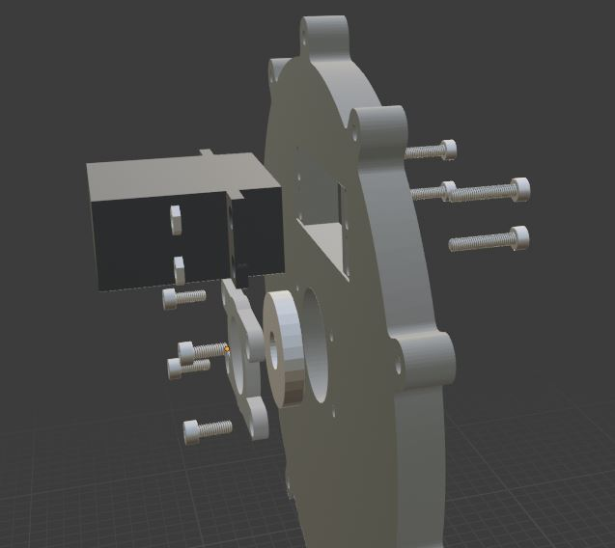

M3 x 8mm | 1
Base_Gear_27T | 1
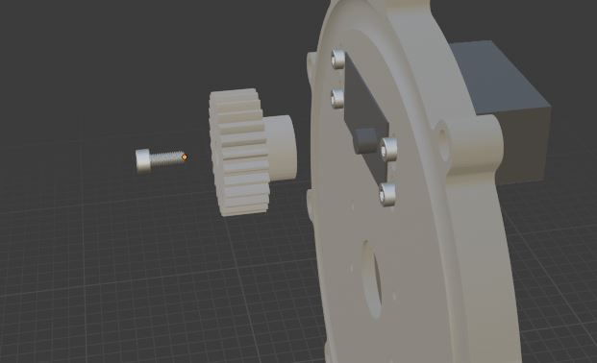

M3 x 12mm | 10
Base_Cylinder | 1
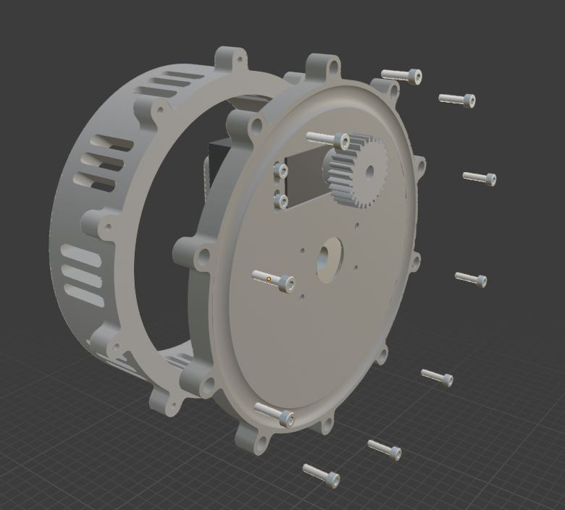

bearing 6200 | 1
M3 x 8mm | 4
Base_Bearing_clamp_2 | 1
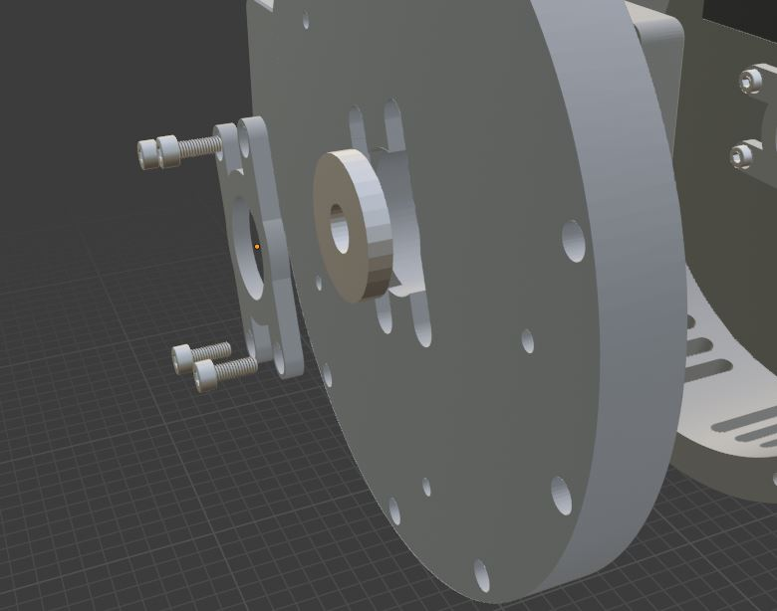

M3 x 12mm | 8
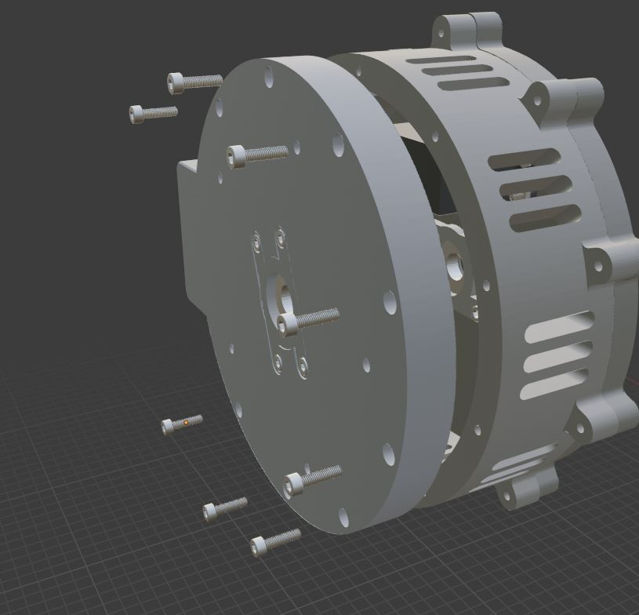

Steel ball 10mm | 10
Base_Bearing_Ring | 1
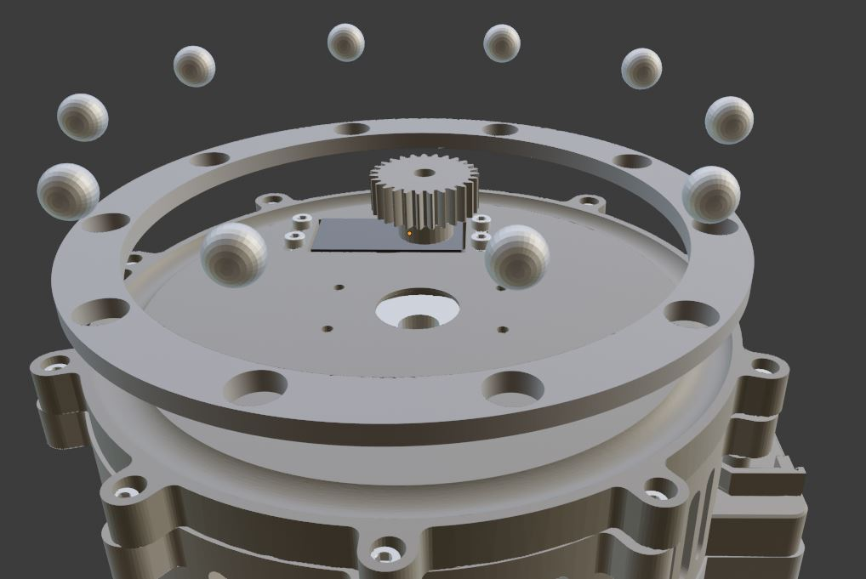

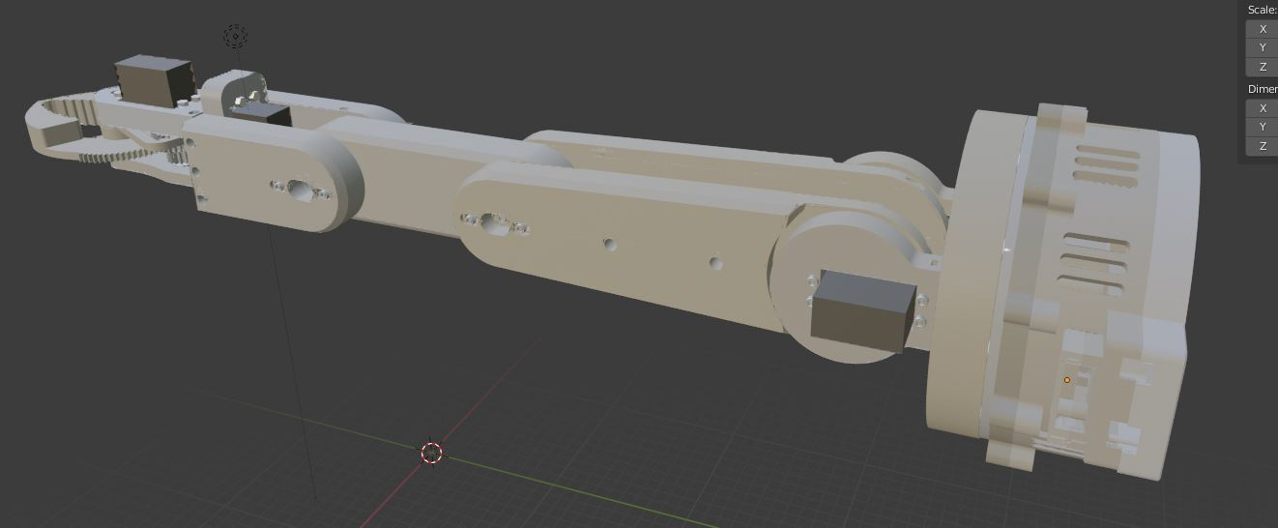

Base_Rotating_plate_clamp | 1
M3 x 12mm | 1

